Cover
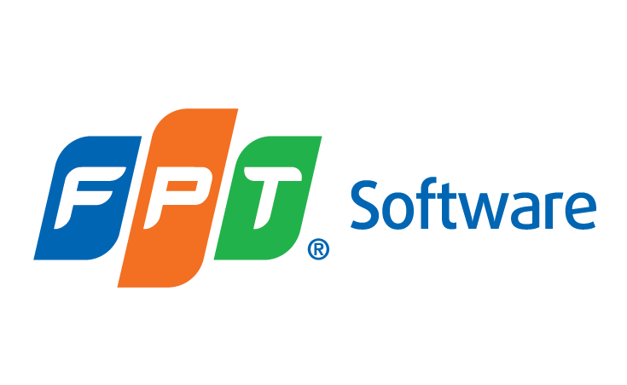

Template

AI INTERACTION MASTERY SYLLABUS

 | Document Code | 26e-BM/HR/HDCV/FSOFT
 | Version | 1.2
 | Effective Date | 24/04/2020

